Cover


Tesla
Company analysis

Drivers
Drivers
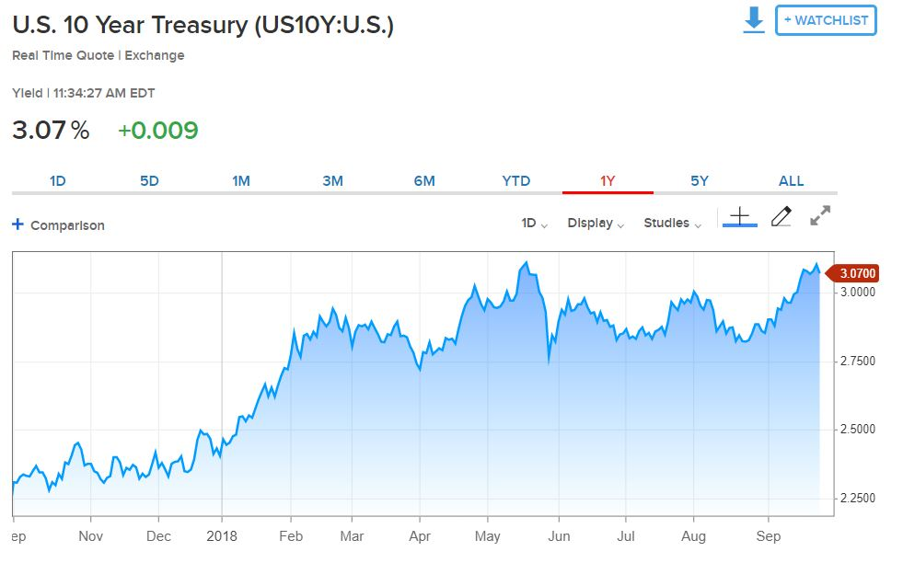
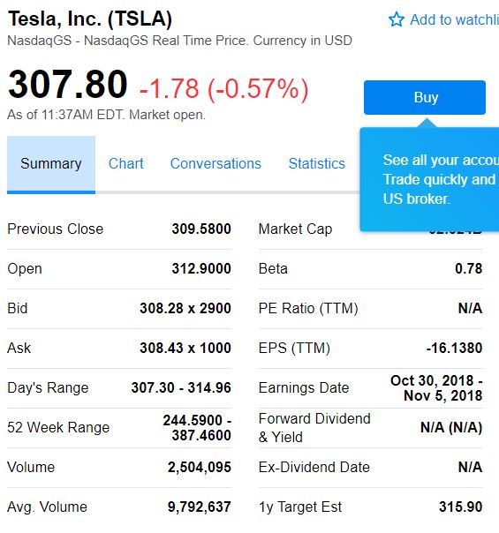
Selected case
Company | Tesla Inc.
Currency | USD
Domestic country | United States
10-year treasury yield (Sep 27 2018) | 3.07%
Market risk premium US | 5%
Company beta (Sep 27 2018) | 0.78
Tesla share price (Sep 27 2018) | 307.8
Bond Yield (Sep 19 2018) | 7.50%
Corporate tax rate | 30%
Expected inflation | 2%

